Sheet1
 |  | Document No. | Issue No. | Issue Date |  | Review and Replace Date |  | Authorised By
 |  | GFF040MC | 3 | 28.09.2018 |  | 09.12.2021
 |  | Document Title | Bombay Potatoes 300g
 |  |  |  |  |  |  |  | Magda Shah
Document amendments reason for change |  | Film Updated | Page 1 of 1 |  | Previous Issue Date |  | 23.09.2020 | Uncontrolled copy unless signed original

CVBOP-R4TEB | BOOTHS |  | Bombay Potatoes 300g
STEP 1 |  |  |  |  | STEP 2
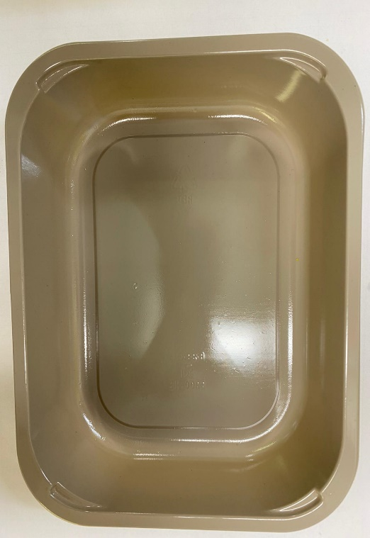

Tray: EVOLVE CPET 2200-1D (PKRHP001-09) |  |  |  |  | Bombay Potato (GFF128R): 300g

Film: K peel 7G+25A/f- 275mm (275 mmX1000) (PKKMP001-03)

TOTAL WEIGHT: 300g

ALLERGY ALERT: MUSTARD, BARLEY

